Print Page 1
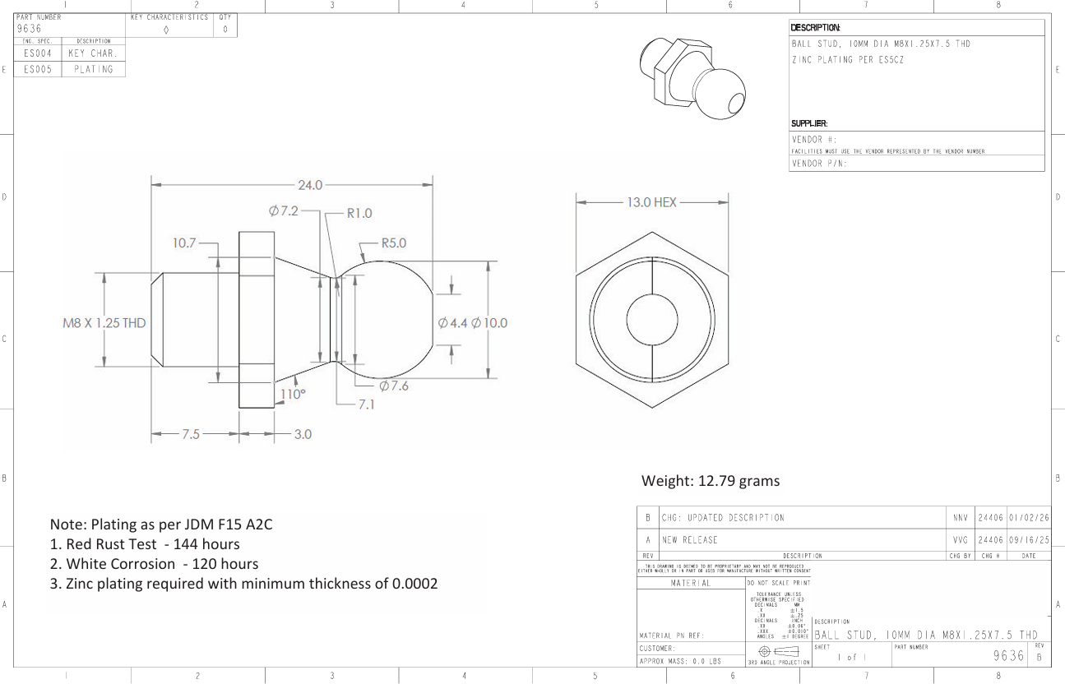

3
1

11
7

5

12a
12b
2

4

6
8
9
10

Tolerance Table
